Graph 1 - ROC Curve for Mode
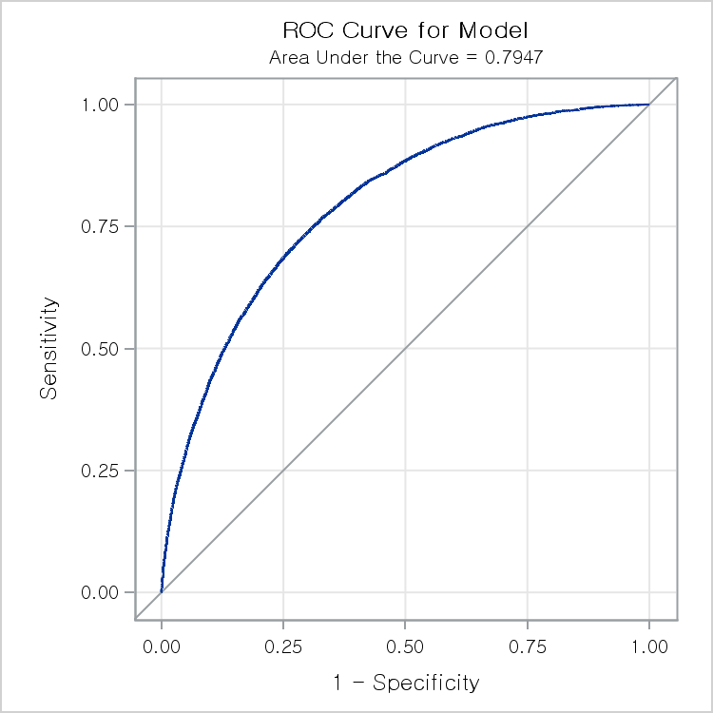
The LOGISTIC Procedure

Graph 2 - ROC Curve for WORK
The LOGISTIC Procedure

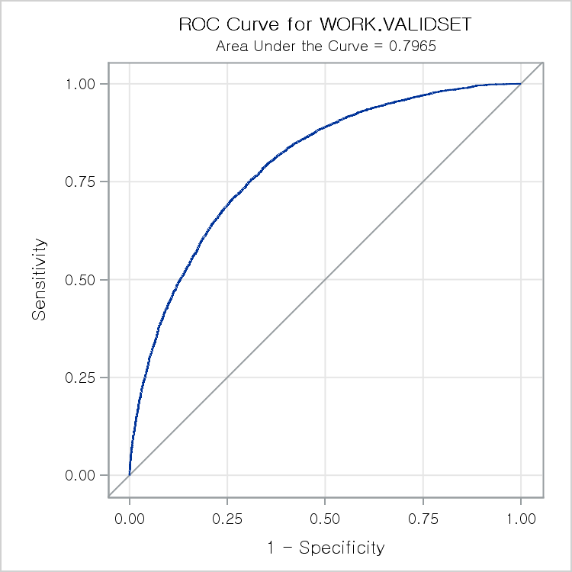

 | ROC Model: ROC1

Graph 3 - ROC Curve for ROC1
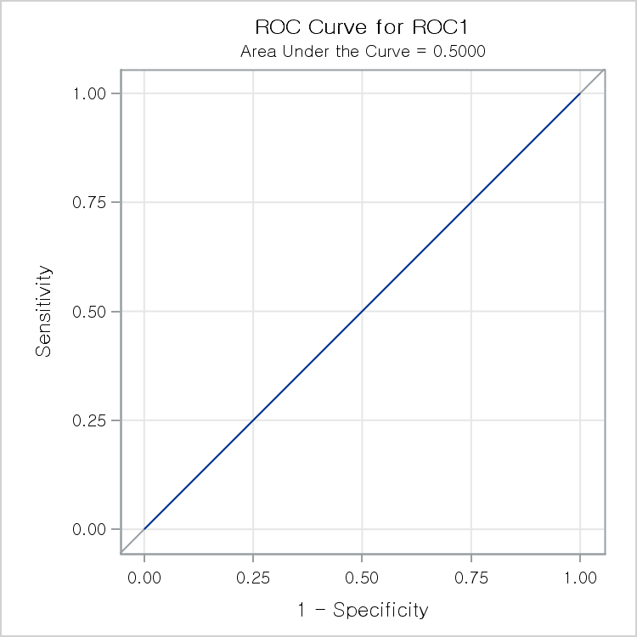
The LOGISTIC Procedure

Graph 4 - ROC Curves for Com
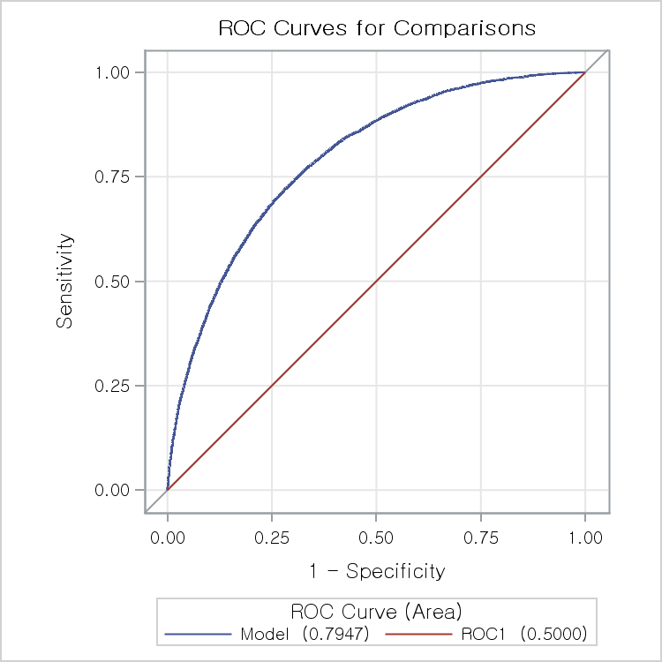
The LOGISTIC Procedure

